Sheet1
 | patience
Epochs | patience | verbose | MSE | RMSE | MAE | Graph | Best Parameter
100 | 10 | 1 | 64.26 | 8.02 | 5.14 | 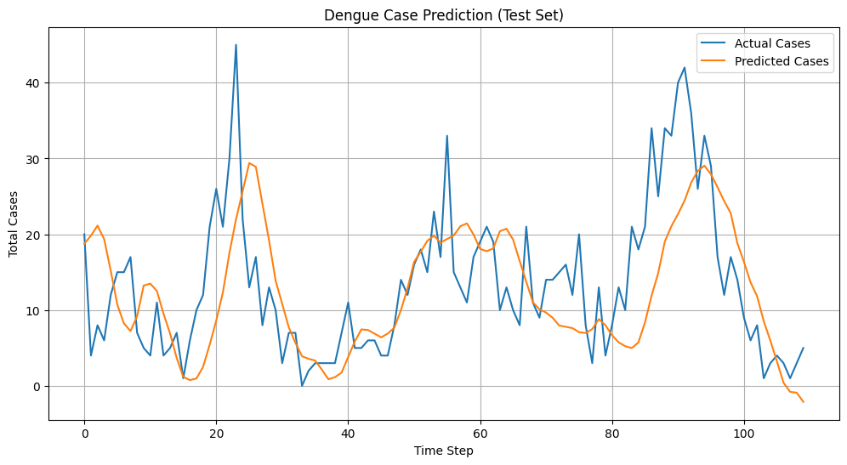
100 | 10 | 1 | 60 to 70 | 8.52 | 5 to 6 | 
150 | 15 | 4 |  |  |  | 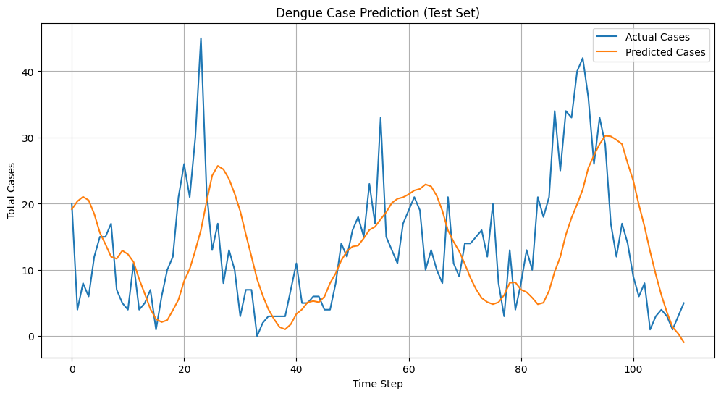
150 | 25 | 3 | 73.87 | 8.59 | 6.8 | 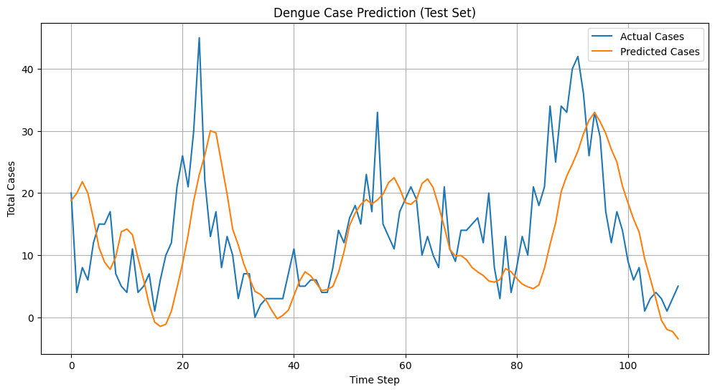
New Final file code
100 | 15 | 1 | 105.94 | 10.29 | 6.85 | 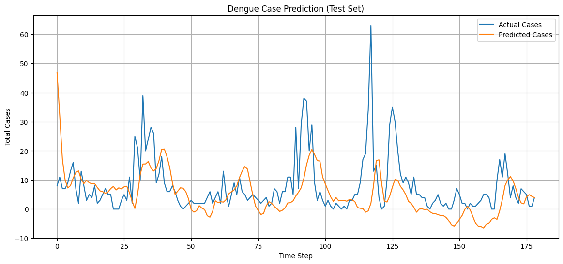
150 | 25 | 2 | 84.44 | 9.19 | 5.71 | 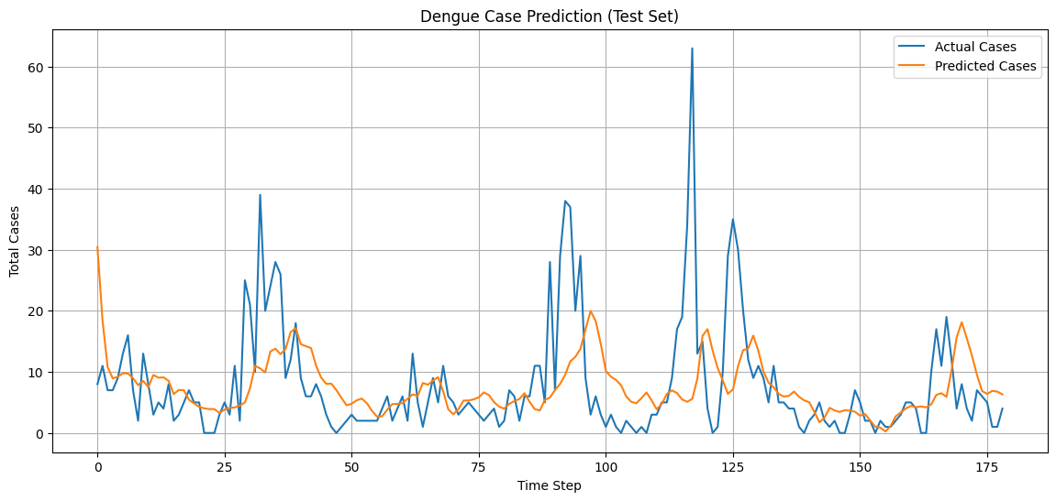

25-07-2025 New Data with outlier removal technique.

100 | 10 | 0 | 67.65 | 8.23 | 5.51 | 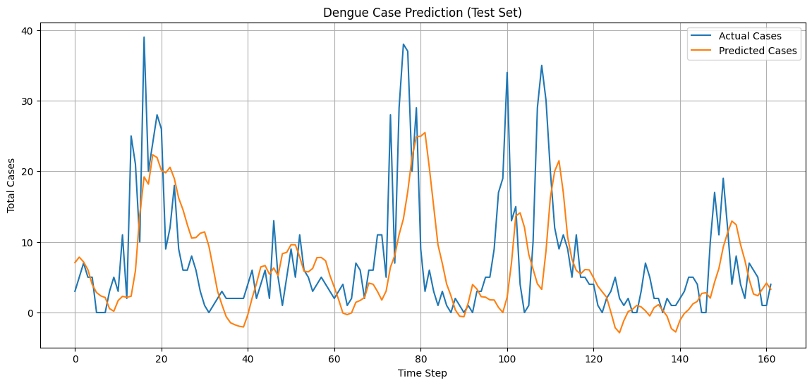 | best parameters: {'n_layers': 3, 'units_l0': 192, 'dropout_l0': 0.3568930718574109, 'units_l1': 64, 'dropout_l1': 0.13257666513704888, 'units_l2': 224, 'dropout_l2': 0.43745270946982034, 'optimizer': 'rmsprop', 'batch_size': 16}
With City Fileteration
100 | 25 | 0 | 200.645 | 14.16 | 9.58 | 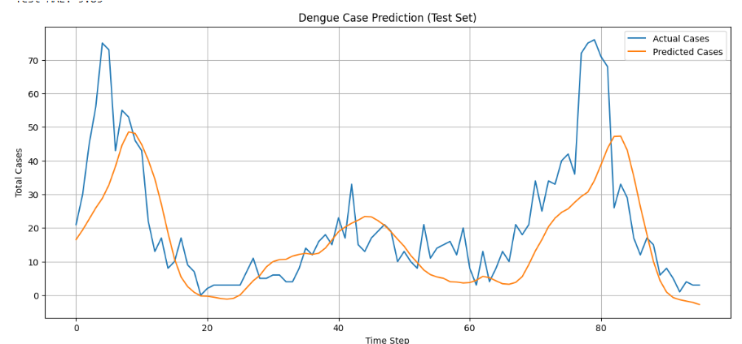 | Best parameters: {'n_layers': 4, 'units_l0': 160, 'dropout_l0': 0.21731586192297886, 'units_l1': 224, 'dropout_l1': 0.3007284518832536, 'units_l2': 64, 'dropout_l2': 0.43227514417802265, 'units_l3': 256, 'dropout_l3': 0.13475356390605414, 'optimizer': 'rmsprop', 'batch_size': 32}
200 | 45 | 2 | 201.75 | Test RMSE: 14.20 | Test MAE: 9.88 | 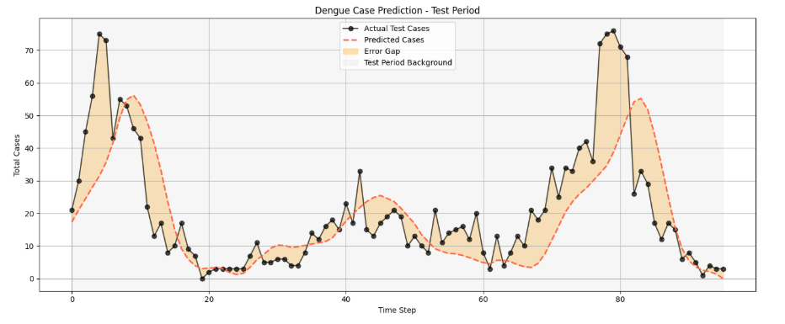
With 80-20 Split
200 | 45 | 2 |  |  |  |  | Best parameters: {'n_layers': 3, 'units_l0': 160, 'dropout_l0': 0.3959775021648761, 'units_l1': 128, 'dropout_l1': 0.3525583903690704, 'units_l2': 128, 'dropout_l2': 0.22034902585351543, 'optimizer': 'rmsprop', 'batch_size': 16}

